Revistas sem Qualis
Distribuição dos percentis (P) nos estratos de classificação dos periódicos*

O Qualis de cada periódico foi classificado com base nesses critérios. Os P auxiliam na classificação de revistas que não estejam listadas na aba "Qualis 2017-2020".
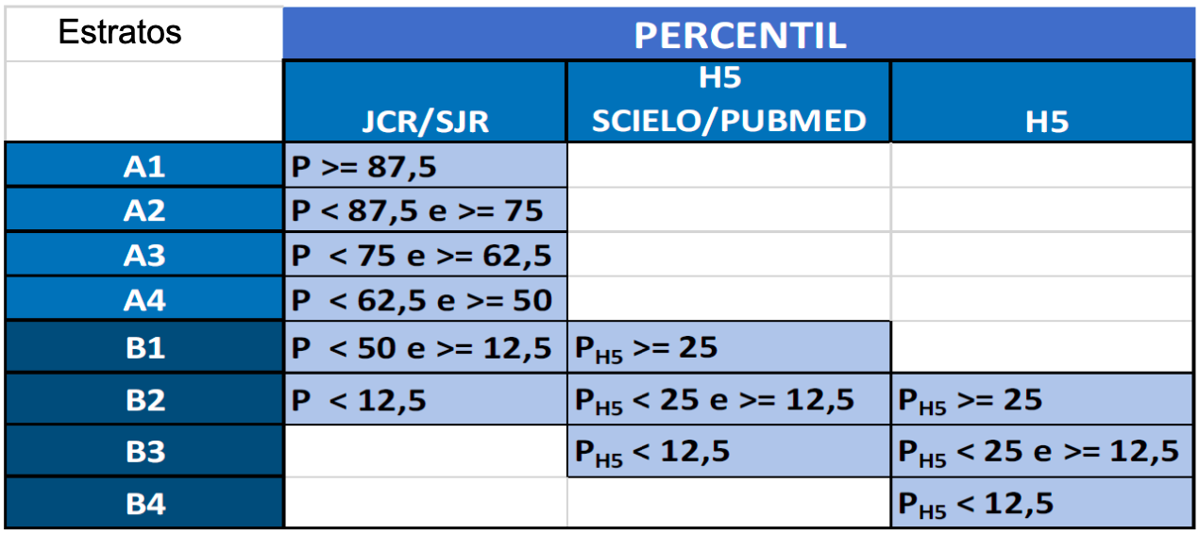

*Fonte: Relatório Preliminar de Avaliação Quadrienal – Área de Educação Física/CAPES. Página 6.

